data
x_axis | y_axis
2015 | 39.938080495
2016 | 40.433436533
2017 | 40.92879257
2018 | 41.919504644
2019 | 42.414860681
2020 | 42.910216718
2021 | 43.900928793
2022 | 44.39628483
2023 | 44.39628483
2024 | 44.891640867
2025 | 45.386996904
2026 | 46.873065015
2027 | 47.86377709
2028 | 48.854489164
2029 | 49.845201238
2030 | 50.835913313
2031 | 52.321981424
2032 | 53.312693498
2033 | 53.312693498
2034 | 55.789473684
2035 | 57.275541796
2036 | 58.761609907
2037 | 60.247678019
2038 | 60.743034056
2039 | 62.229102167
2040 | 63.715170279
2041 | 65.20123839
2042 | 67.678018576
2043 | 69.164086687
2044 | 71.145510836
2045 | 72.631578947
2046 | 74.117647059
2047 | 75.60371517
2048 | 75.60371517
2049 | 78.080495356
2050 | 80.061919505
2051 | 81.547987616
2052 | 83.034055728
2053 | 84.520123839
2054 | 86.00619195
2055 | 87.987616099
2056 | 89.969040248
2057 | 90.464396285
2058 | 93.436532508
2059 | 93.931888545
2060 | 96.904024768
2061 | 98.885448916
2062 | 100.86687307
2063 | 102.35294118
2064 | 104.33436533
2065 | 105.82043344
2066 | 107.30650155
2067 | 109.2879257
2068 | 111.26934985
2069 | 112.75541796
2070 | 114.24148607
2071 | 116.22291022
2072 | 117.70897833
2073 | 119.19504644
2074 | 120.18575851
2075 | 121.67182663
2076 | 122.6625387
2077 | 123.65325077
2078 | 125.13931889
2079 | 126.625387
2080 | 127.61609907
2081 | 127.61609907
2082 | 129.10216718
2083 | 129.59752322
2084 | 129.59752322
2085 | 129.59752322
2086 | 130.09287926
2087 | 130.09287926
2088 | 130.09287926
2089 | 130.09287926
2090 | 130.58823529
2091 | 130.09287926
2092 | 130.09287926
2093 | 129.59752322
2094 | 129.10216718
2095 | 128.60681115
2096 | 128.60681115
2097 | 128.11145511
2098 | 127.61609907
2099 | 127.12074303
2100 | 127.12074303

picture
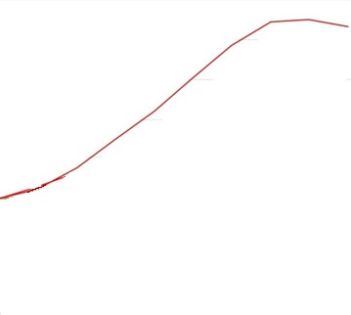

picture_original
